1. Title Page
Basket Analysis 2024

Project Name: Instacart Basket Analysis 2024
Date: July 2024
Analyst Name: Kimberly Mizrahi

Contents:
Population Flow
Consistency checks
Wrangling steps
Column derivations
Visualizations
Recommendations

Data Citations
http://www.instacart.com/datasets/grocery-shopping-2017

2. Population Flow
Title page

Population flow

Exclusion flag
Condition: max_order < 5
Obervations to be removed:
Final total count of order_products_all: 32,404,859

Orders_products_combined
Orders_products_merged
Orders_products_all

Total:32,404,859
Total: 32,434,489
Total:32,404,859

1.) The grey boxes in the first row of the population flow represent the original data sets as they were when you downloaded them. In the Total fields you need to add the count of the rows when you imported the data set into Jupyter.
2.) The second row of boxes (coloured) represents the data sets after you manipulated them, e.g., removed missing values and duplicates. In the Total fields you need to add the count of the rows after conducting these operations. This offers a visual oveview of how the data flows throughout the data consistency checks.
3.) The third row, where also the arrows are coloured, represents the merges you performed between the datasets. In the Total fields you need to add the count of the rows in the merged datasets, so that you end up with the final dataset (in the red box). Keep in mind the final dataset should be without exclusions (based on the exclusion flag).

3. Consistency checks
 |  |  |  | Title page
Consistency checks

Dataset | Missing values | Missing values treatment | Duplicates
orders | days_sine_prior_order' has 206209 missing values | The missing values were kept in place because those entries are from the user's first order, so it would not make sense to impute a value and it would impact the data if those entries were to be removed from the dataset. | No duplicates found.
products | product_name' had 16 missing values | Missing values were exported into its own database called 'df_nan' | 5 duplicates were found and dropped in df_prods_clean_no_dups dataframe.
orders_products_prior | No missing values found. | N/A | No duplicates found.
customers | first_name' has 11259 missing values | The missing values were kept in place because it does not make sense to impute. This is PII, so the name column will be removed in future steps. | No duplicates found.

4. Wrangling steps
 |  |  |  | Title page
Wrangling steps

Columns dropped | Columns renamed | Columns' type changed | Comment/Reason
eval_set' |  |  | Irrelevant to data
Surnam' |  |  | PII
last_name' |  |  | PII
Unnamed:01' |  |  | Irrelevant to data
Unnamed:0' |  |  | Irrelevant to data
_merge' |  |  | Not necessary for data, only needed when combining datasets. Dropped after it was no longer needed.
 | order_dow' |  | Changed to 'order_day_of_week' to improve readability.
 | fam_status' |  | Changed to 'marital_status' to improve readability.
 | n_dependants' |  | changed to 'number_of_dependants' to improve readability.
 |  | user_id' | Changed to string because it was not necessary to be integer type.
 |  | order_id' | Changed to string because it was not necessary to be integer type.

5. Column derivations
 |  |  |  | Title page

Column derivations and aggregations

Dataset | New column | Column/s it was derived from | Conditions
ords_prods_merge.pkl | price_range_loc | prices | def price_label(row): if row['prices'] <= 5: return 'Low-range product' elif (row['prices'] > 5) and (row['prices'] <= 15): return 'Mid-range product' elif row['prices'] > 15: return 'High-range' else: return 'Not enough data'
ords_prods_merge.pkl | busiest_days | order_day_of_week | for value in df_ords_prods_merge["order_day_of_week"]: if value == 0 or value == 1: result_2.append("Busiest days") elif value == 4 or value == 3: result_2.append("Slowest days") else: result_2.append("Regularly busy")
ords_prods_merge.pkl | busiest_period_of_day | order_hour_of_day | for value in df_ords_prods_merge["order_hour_of_day"]: if value in [10, 11, 14, 15, 13, 12, 16, 9]: result_3.append("Most orders") elif value in [23, 6, 0, 1, 5, 2, 4, 3]: result_3.append("Fewest orders") else: result_3.append("Average orders")
ords_prods_merge_derived.pkl | loyalty_flag | max_order | ords_prods_merge.loc[ords_prods_merge['max_order'] > 40, 'loyalty_flag'] = 'Loyal customer' ords_prods_merge.loc[(ords_prods_merge['max_order'] <= 40) & (ords_prods_merge['max_order'] > 10), 'loyalty_flag'] = 'Regular customer' ords_prods_merge.loc[ords_prods_merge['max_order'] <= 10, 'loyalty_flag'] = 'New customer'
 | spending_flag | mean_product_price | ords_prods_merge.loc[ords_prods_merge['mean_product_price'] >= 10, 'spending_flag'] = 'High spender' ords_prods_merge.loc[ords_prods_merge['mean_product_price'] < 10, 'spending_flag'] = 'Low spender'
 | order_frequency | median_days_between_order | ords_prods_merge.loc[ords_prods_merge['median_days_between_orders'] > 20, 'order_frequency'] = 'Non-frequent customer' ords_prods_merge.loc[(ords_prods_merge['median_days_between_orders'] <= 20) & (ords_prods_merge['median_days_between_orders'] > 10), 'order_frequency'] = 'Regular customer' ords_prods_merge.loc[ords_prods_merge['median_days_between_orders'] <= 10, 'order_frequency'] = 'Frequent customer'
instacart_combined.pkl | region | state | #Create Northeast Region List Northeast=['Maine','New Hampshire','Vermont','Massachusetts','Rhode Island','Connecticut','New York','Pennsylvania','New Jersey'] #Create Midwest Region List Midwest=['Wisconsin','Michigan','Illinois','Indiana','Ohio','North Dakota','South Dakota','Nebraska','Kansas','Minnesota','Iowa','Missouri'] #Create South Region List South=['Delaware','Maryland','District of Columbia','Virginia','West Virginia','North Carolina','South Carolina','Georgia','Florida','Kentucky','Tennessee','Mississippi','Alabama','Oklahoma','Texas','Arkansas','Louisiana'] #Create West Region List West=['Idaho','Montana','Wyoming','Nevada','Utah','Colorado','Arizona','New Mexico','Alaska','Washington','Oregon','California','Hawaii'] #Create columns for each region list #Creating Column for Northeast df.loc[df['STATE'].isin(Northeast),'region']='Northeast' #Creating Column for Midwest df.loc[df['STATE'].isin(Midwest),'region']='Midwest' #Creating Column for South df.loc[df['STATE'].isin(South),'region']='South' #Creating Column for West df.loc[df['STATE'].isin(West),'region']='West'
 | customer_activity_flag | max_order | df.loc[df['max_order']>=5,'customer_activity_flag']='High Activity' #Create exclusion flag for low-activity customers df.loc[df['max_order']<5,'customer_activity_flag']='Low Activity'
 | age_group | age | #Create young adult group df.loc[df['Age']<=30, 'age_group']= 'Young Adult' #Create middle age group df.loc[(df['Age']>30)&(df['Age']<=60),'age_group']='Middle Age' #Create senior group df.loc[df['Age']>60, 'age_group']= 'Senior'
 | income_level | income | #Create low income group for incomes less than or equal to $65,000 df.loc[df['income']<=65000,'income_level']='Low Income' #Create middle income group for incomes greater than $65,000 and less than or equal to $130,000 df.loc[df['income']>65000 & (df['income']<= 1300000), 'income_level']='Middle Income' #Create high income group for incomes greater than $130,000 df.loc[df['income']>130000, 'income_level'] = 'High Income'
 | dependants_status | number_of_dependants | df.loc[df['number_of_dependants'] > 0, 'dependants_status'] = 'has dependants' #Create 'no dependants' group for values less than 1 df.loc[df['number_of_dependants'] <= 0, 'dependants_status'] = 'no dependants'
 | pet_owner | department | df['pet_owner'] = [1 if x == 'pets' else 0 for x in df['department']] df['pet_owner'] = df.groupby(['user_id'])['pet_owner'].transform(np.max)
 | parent_of_baby | department | df['parent_of_baby'] = [1 if x == 'babies' else 0 for x in df['department']] df['parent_of_baby'] = df.groupby(['user_id'])['parent_of_baby'].transform(np.max)
 | period_of_day | order_hour_of_day | df.loc[(df['order_hour_of_day'] >= 7) & (df['order_hour_of_day'] <= 11), 'period_of_day'] = 'Morning' # Create afternoon group df.loc[(df['order_hour_of_day'] >= 12) & (df['order_hour_of_day'] <= 16), 'period_of_day'] = 'Afternoon' # Create evening group df.loc[(df['order_hour_of_day'] >= 17) & (df['order_hour_of_day'] <= 21), 'period_of_day'] = 'Evening' # Create late night group df.loc[(df['order_hour_of_day'] >= 22) & (df['order_hour_of_day'] <= 24), 'period_of_day'] = 'Late Night'

price_range_loc |  | spending_flag | age_group
Mid-range product 21861558 |  | Low spender 32285165 | Middle Age 15222661
Low-range product 10130750 |  | High spender 119694 | Senior 10582839
High-range product 412551 |  | Name: count, dtype: int64 | Young Adult 6599359
Name: count, dtype: int64 |  |  | Name: count, dtype: int64
 |  | order_frequency
busiest_days |  | Frequent customer 21559853 | income_level
In this tab you should add tables below that the frequences of flags/label variables that you produced after deriving them. NB: don't do this for continuous variables, only for flags.
Regularly busy 12916111 |  | Regular customer 7208564 | Middle Income 17170138
Busiest days 11864412 |  | Non-frequent customer 3636437 | High Income 7713528
Slowest days 7624336 |  | NaN 5 | Low Income 7521193
Name: count, dtype: int64 |  | Name: count, dtype: int64 | Name: count, dtype: int64

busiest_period_of_day |  | region
Most orders 21118071 |  | South 10791885 | dependants_status
Average orders 9997651 |  | West 8292913 | has dependants 24307356
Fewest orders 1289137 |  | Midwest 7597325 | no dependants 8097503
Name: count, dtype: int64 |  | Northeast 5722736 | Name: count, dtype: int64
 |  | Name: count, dtype: int64
loyalty_flag
Regular customer 15876776 |  | customer_activity_flag | pet_owner
Loyal customer 10284093 |  | High Activity 30964564 | 0 28876718
New customer 6243990 |  | Low Activity 1440295 | 1 3528141
Name: count, dtype: int64 |  | Name: count, dtype: int64 | Name: count, dtype: int64

 |  |  | parent_of_baby
 |  |  | 0 22431550
 |  |  | 1 9973309
 |  |  | Name: count, dtype: int64

6. Visualizations
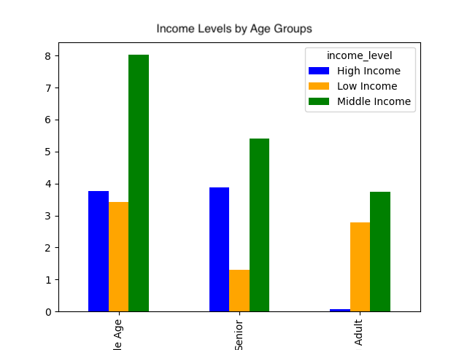
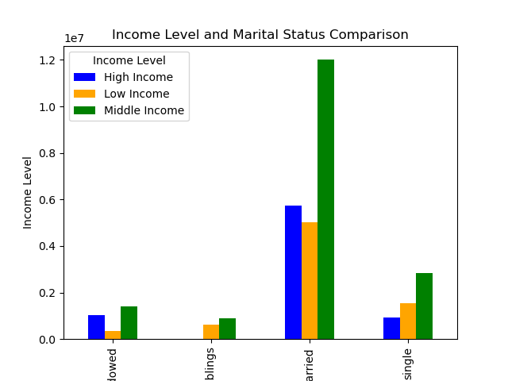
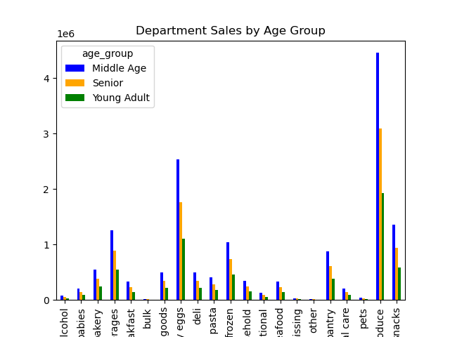
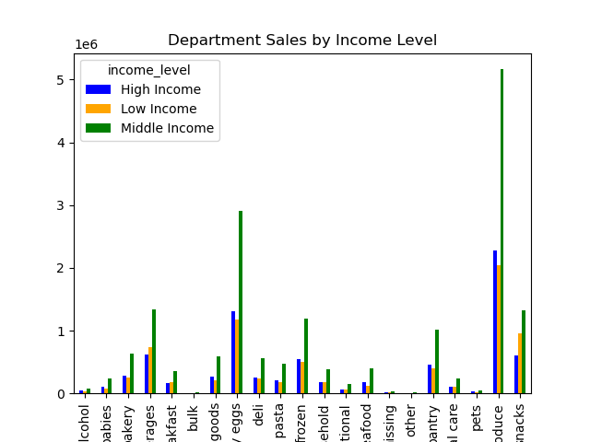
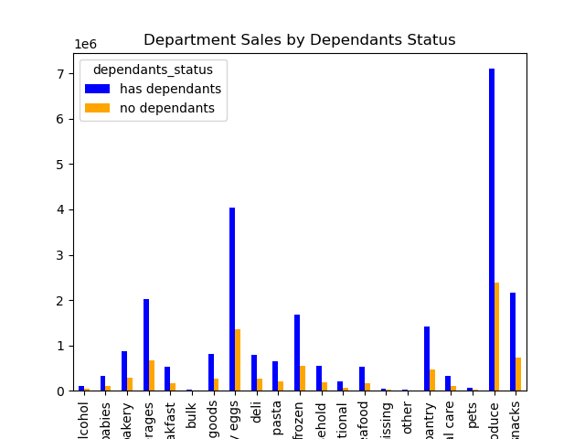
Visualisations

1. What are the busiest days of the week and hours of the day?
The days of the week are as follows: 0 = Saturday, 1 = Sunday, 2= Monday, 3=Tuesday, 4=Wednesday, 5=Thursday, 6=Friday. Based on the chart below, titled 'Orders by Day of Week', the most orders are placed on Saturday and Sunday. Customers place the least amount of orders from Monday to Wednesday. A moderate amount of orders are placed on Thursday and Friday.
Based on the chart below titled 'Number of Orders by Hour of the Day', the most orders are placed around 9AM until about 3PM. The least amount of orders are placed from about 7PM to about 6AM.

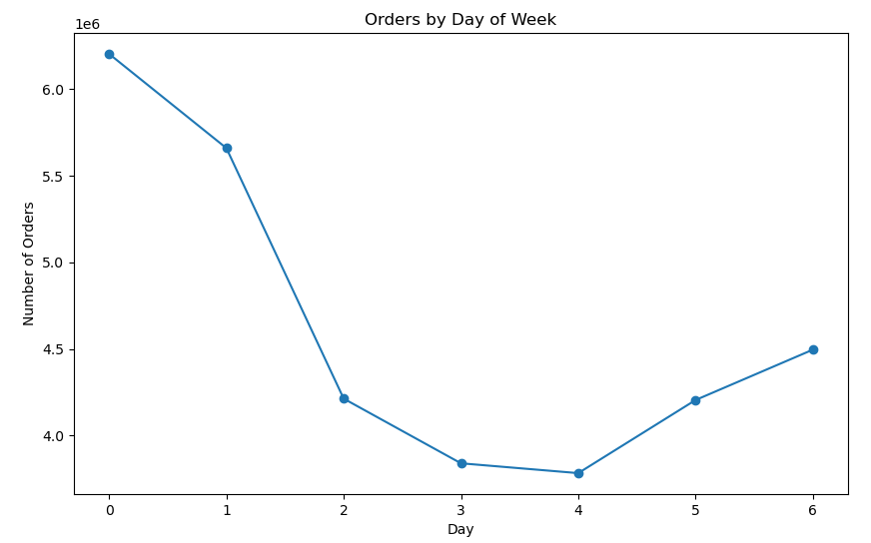
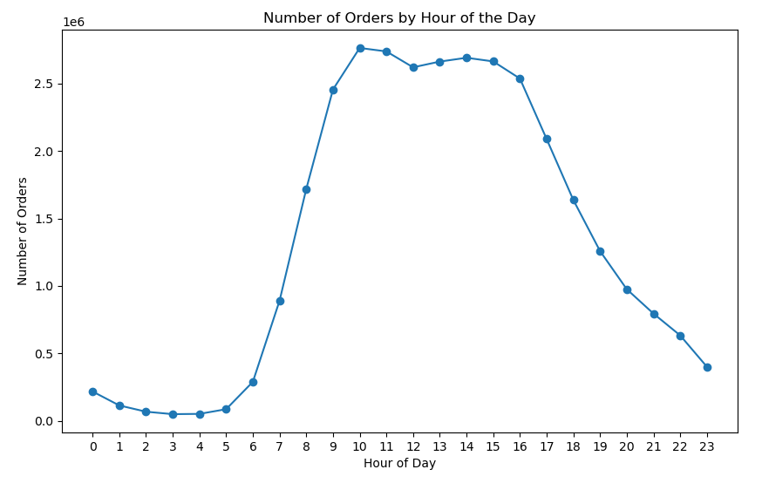

2. Are there particular times during the day where customers spend the most money? Are there simpler price range groupings to help direct Instacart sales?
Based on the chart below called 'Average Prices by Hour of the Day', takes the average price of items purchased during each hour of the day. It appears that customers spend more money around 4AM, and spend the least amount of money around 10am. However, since this chart is showing an average of the prices and may me impacted by certain high range products, the second chart shows the product ranges during the different time periods throughout the day.
Based on the chart called 'Order Pricing by Time of Day', most customers purchase mid-range products. A moderate amount of customers purchase low-range products. Customers generally don't spend on high-range products, but when they do it occurs in the morning and the afternoon. This chart shows that the most orders are during the afternoon and morning.

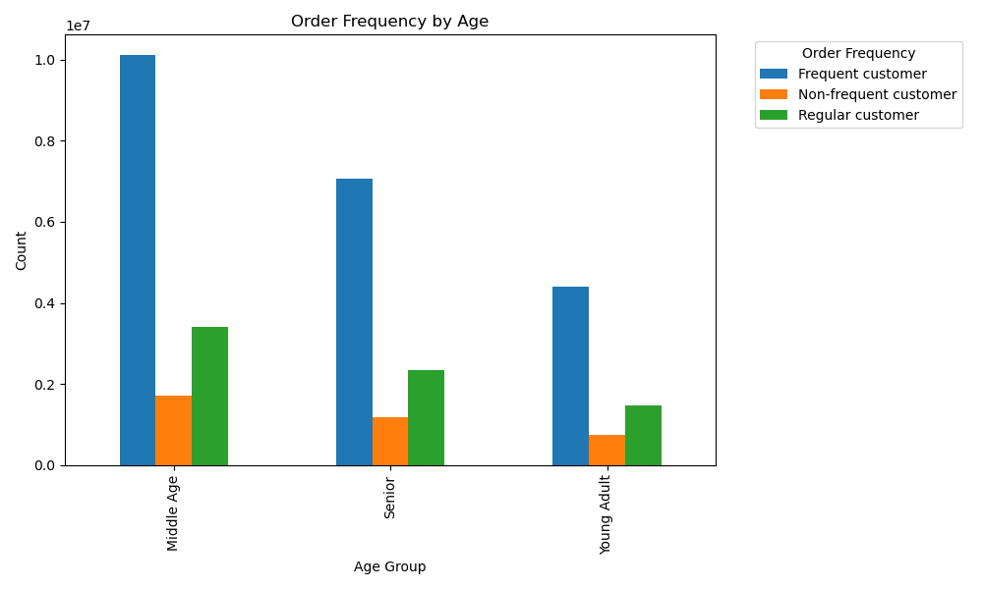

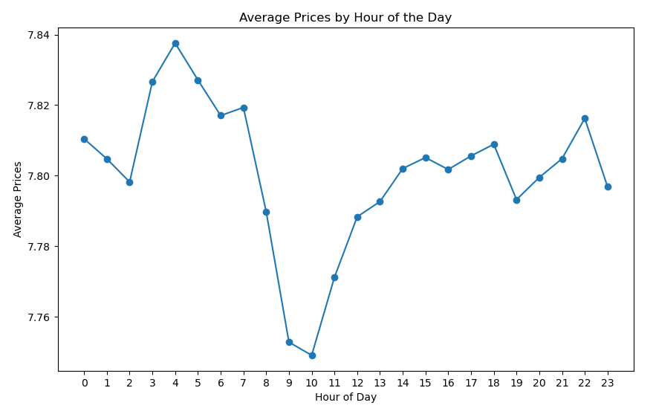
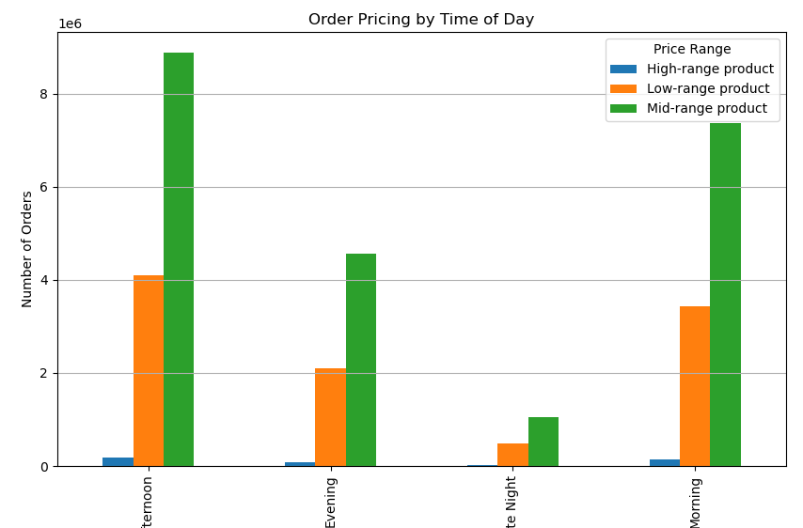

3. Which departments have the highest frequencies of product orders?
Based on the chart below, the departments with the highest frequencies of product orders are Produce, Dairy Eggs, Snacks, Beverages, Frozen, and Pantry.

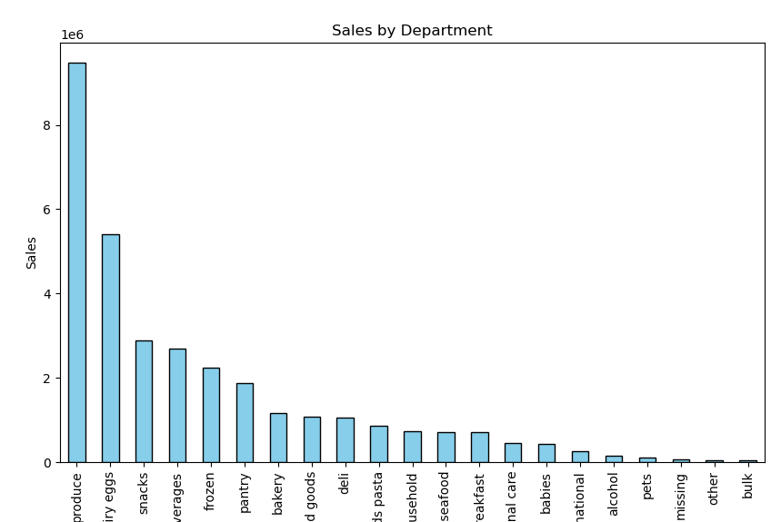

4. How often do customers return to Instacart?
Based on the pie chart below called 'Customer Loyalty Types', slighlitly more than of Instacarts customers fall within the 'New Customer' and 'Loyal Customer' types, making up 51%. The other 49% of customers fall within the 'Regular Customer' type. 'New customers' have 10 or fewer orders and 'Loyal Customers' have orders ranging from 11 to 40 orders. 'Regular Customers' have more than 40 orders.

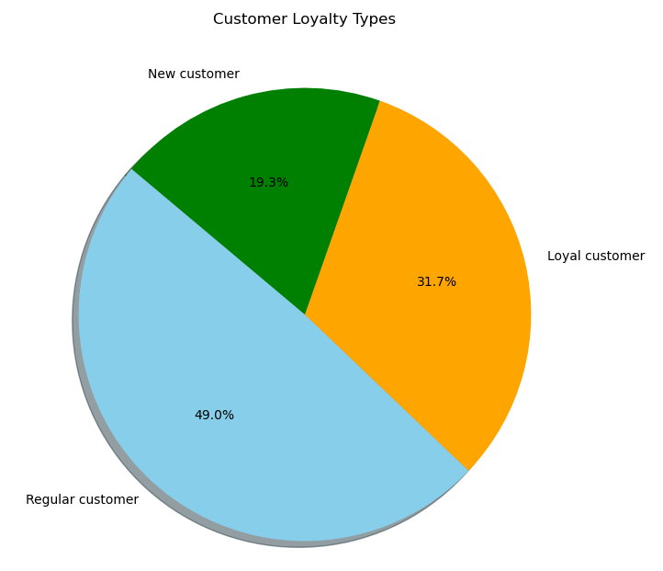

5. Are there any differences in ordering habits bast on the customer's loyalty status?
According to the chart called 'Spending Habits by Loyalty Flag' below, low spenders dominate each loyalty group significantly. In the charts 'Order Hour of Day Based on Customer Loyalty Type', and 'Order Day of Week Based on Loyalty Flag' the days and times that each loyalty group orders is very similar. There aren't substantial differences based on order day or time amongst the loyalty groups.

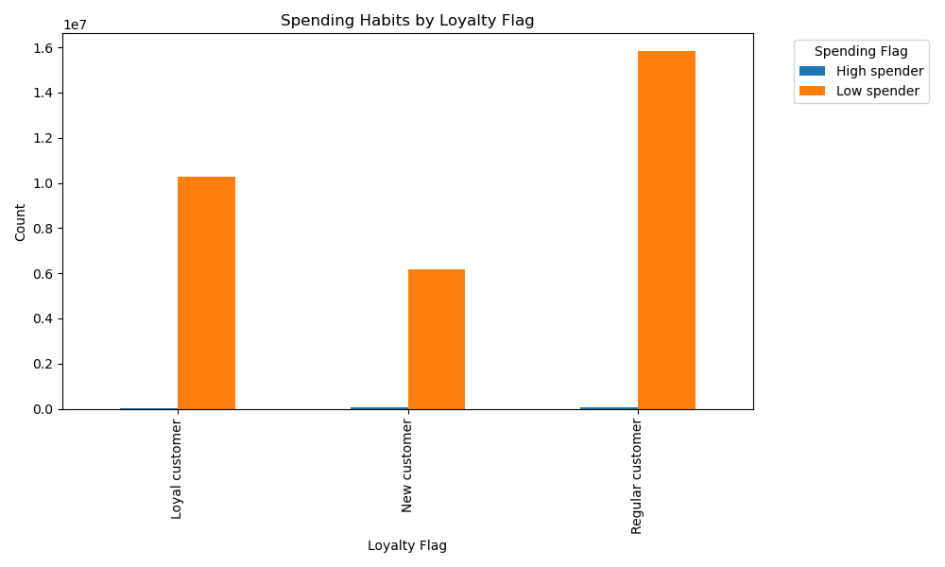

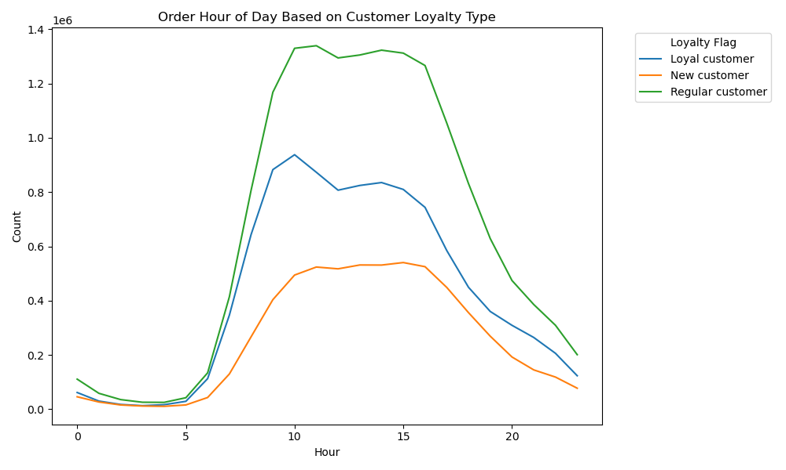
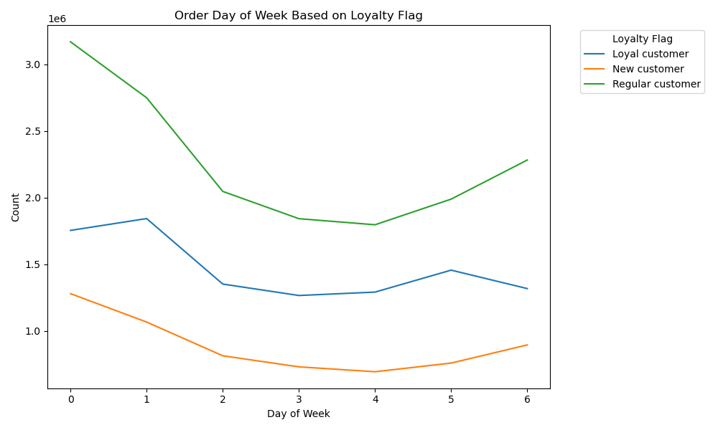

6. Are there any differences in ordering habits based on the customer's region?
In the chart called 'Customer Order Frequency by Region', the missing (nan) values represent first time users. These users do not account for a significant amount for any of the regions. Frequent customers account for the majority for each region. In the chart called 'Customer Spending Habits by Region', it is clear that low spenders dominate each region significantly. In the chart 'Regions by Department' the 'Produce' department has the most sales for each region. The West and South regions make up the majority of Produce sales. In the charts 'Orders by Day of the Week' and 'Orders by Hour', to the right, the day and time of orders is very similar by region.
In the chart 'Income Levels by Region' the middle income level group makes up the majority of customers for each region. High income and low income customers are very close, with slightly more customers in with high income for each region. The middle income group is significantly larger than the high and low income groups for each region.
In the chart 'Age Groups by Region' the middle age group makes up the majority of customers with seniors as second highest and young adults as lowest group for all regions.

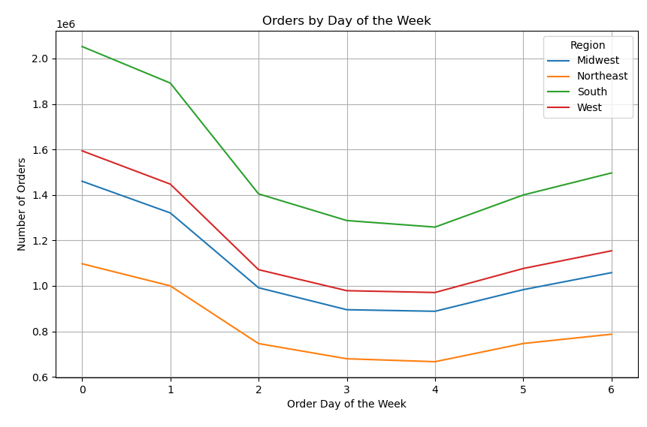

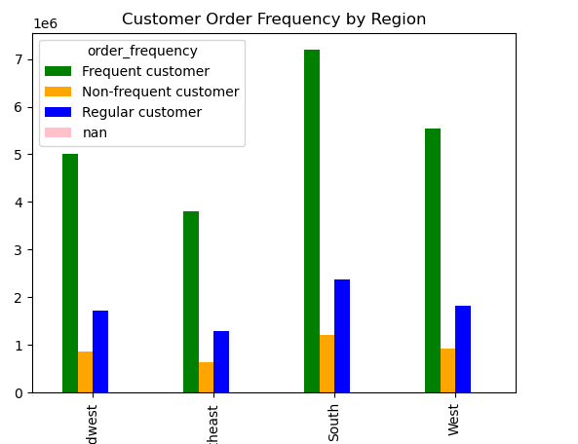
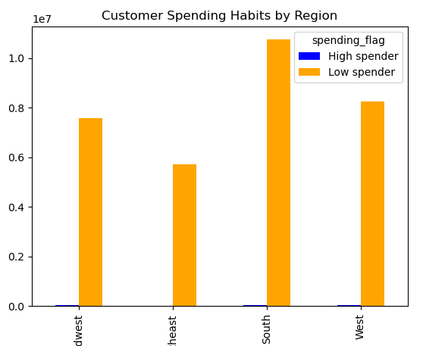

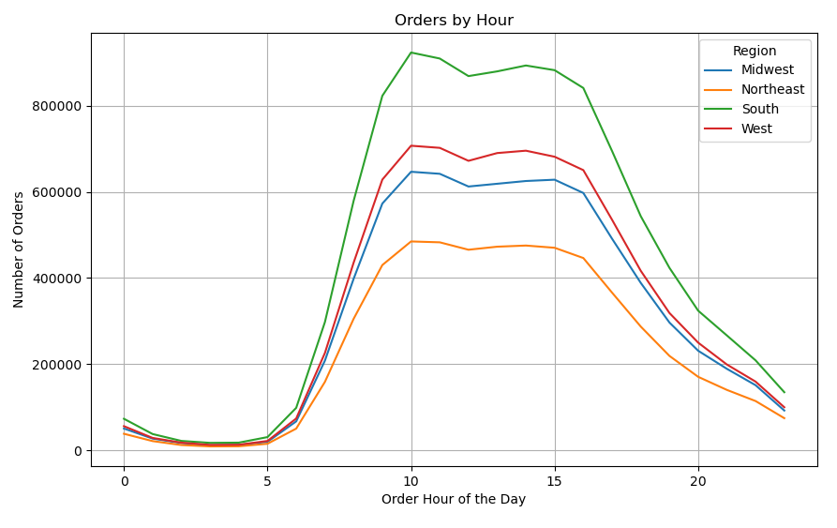

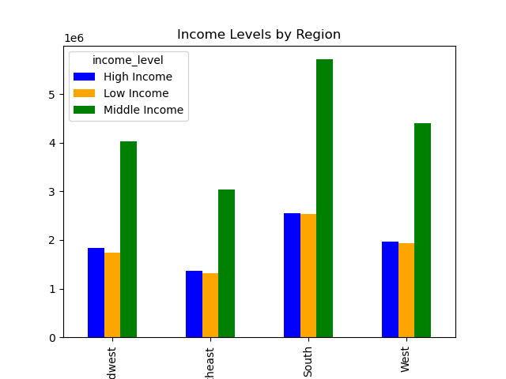
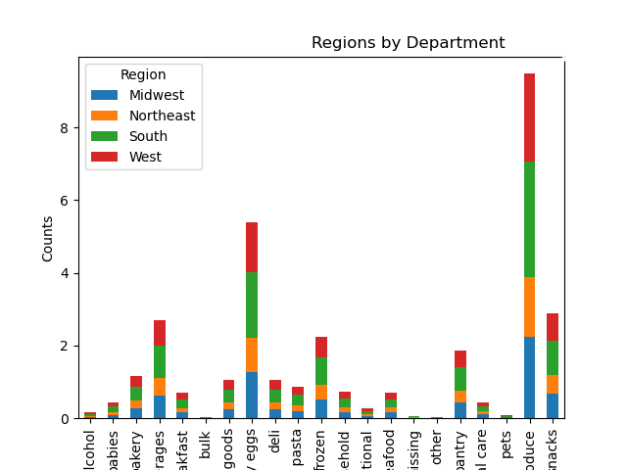

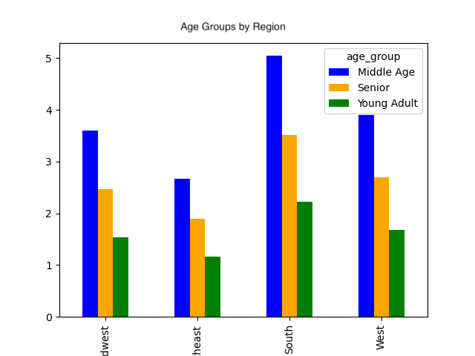

7. Is there a connection between age and family status in terms of ordering?
Based on the chart called, 'Customer Marital Status', the majority of customers are married. Based on the chart called 'Age Group and Marital Status Comparison', the majority of married customers are in the middle age group. Based on the chart called ' Order Frequency by Marital Status' customers in the married group account for most frequent customers. In the chart, 'Order Frequency by Age' the middle age group accounts for the most frequnt customers.
Based on the charts 'Dependants Status by Age Group' and 'Dependants and Marital Status Comparison', Middle age customers that are married with dependants make up the majority of customers.

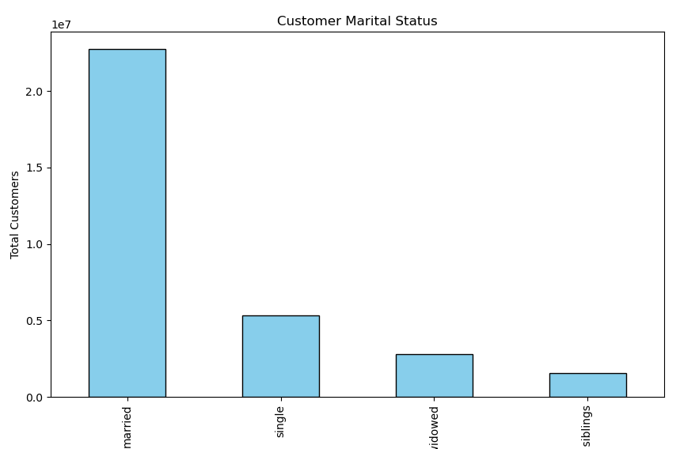
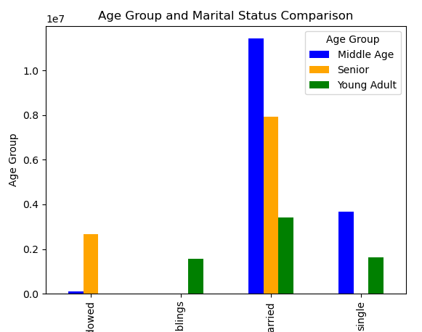

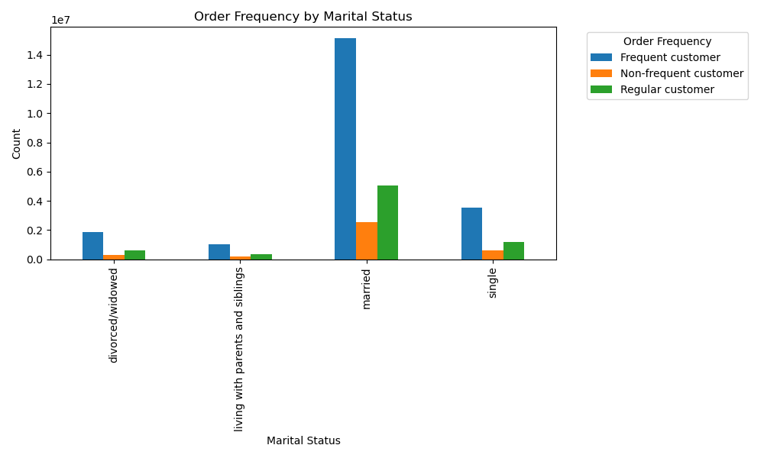

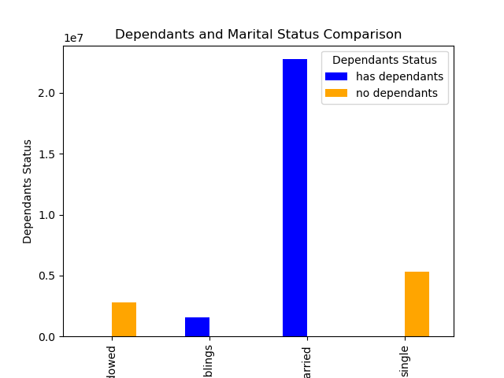
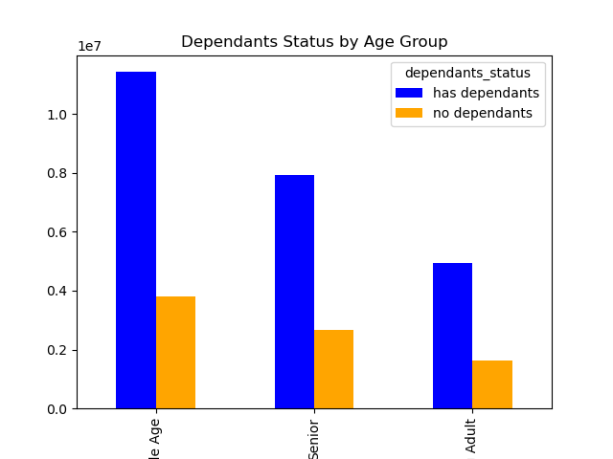

8. What different classifications does the demographic information suggest?
53% of customers fall in the middle income level. High and Low income customers account for roughly the same portion of the customer base, with high income customers as 0.6% more.
47% of customers are considered middle age, with 32.7% of customers in the Seniors age group and 20.47% of customers in young adult age group.
75% of Instacart customers have dependants.

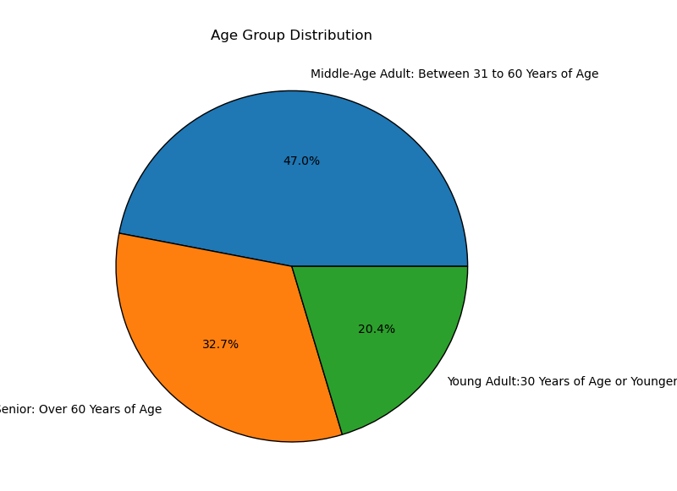
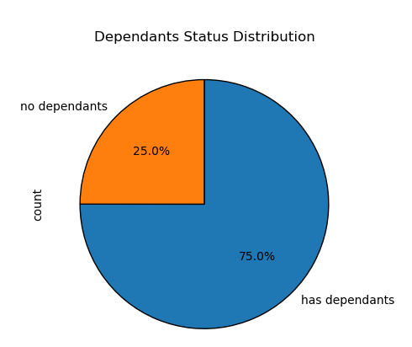
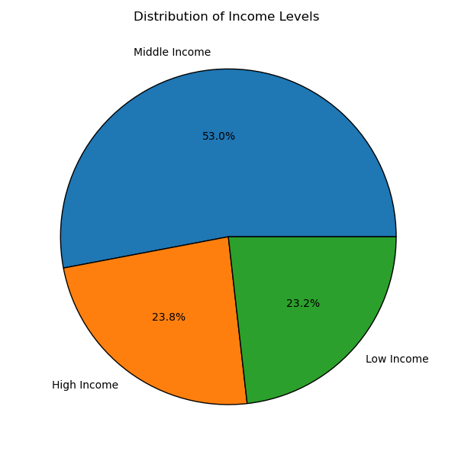

9. What differences can you find in ordering habits of different customer profiles? Consider the price of orders, the frequency of orders, the products customers are ordering, and anything else you can think of.
All age groups have the most customers in the middle income level group. For middle age and senior customers, high income is second largest and low income is the smallest portion. However, for young adult customers, low income is second highest, and it is relatively close to the amount of middle income level. There is a significantly low portion of young adult customers in the high income level.
Majority of customers are married, and have middle income levels. Customers living with parents or siblings account for the smallest portion of customers.
The top department sales are consistent when looked at sales by age, income level, marital status and dependants status.

7. Recommendations
 |  | Title page

Recommendations

Question | Answer
1. What are the busiest days of the week and hours of the day? | Customers place the least amount of orders from Monday to Wednesday, with Wednesday being the day with the least orders. The ideal day to place ads would be on Wednesday. The best time to schedule the ads would be around 4pm, because that is when orders begin to decline. It wouldn't be realistic to schedule ads during the hours where there are the least orders due to external factors. The least busy hours are during times when people may be eating dinner or sleeping.
2. Are there particular times during the day where customers spend the most money? | Customers generally do not purchase high-range products, so it would be best to emphasize mid and low range products in ads. Customers spend more on mid and low range products in the afternoon, morning and evening. Customers spend the least on mid and low range products late at night.

3. Which departments have the highest frequencies of product orders? | The marketing and sales teams should focus on the followigng departments: Produce, Dairy Eggs, Snacks, Beverages, Frozen, and Pantry. These departments account for the majority of orders.
4. How often do customers return to Instacart? | Instacart should focus on targeting 'Regular Customers', because they account for almost half of the entire customer base (49%). 'Loyal Customers' may have place more orders than 'Regular Customers', but 'Regular Customers' only account for 31.7% of the customer base.
5. Are there any differences in ordering habits bast on the customer's loyalty status? | Since there is not much difference in spending habits based on loyalty status, Instacart should focus on ways to increase spending habits for all loyalty types. They should offer incentives to spend more since all groups are considered low spenders.
6. Are there any differences in ordering habits based on the customer's region? | For all regions, middle age customers with middle income levels make up the majority of the customer base, so the marketing and sales team should focus on middle aged customers with a middle level income.
7. Is there a connection between age and family status in terms of ordering? | Yes, Middle age customers that are married with dependants make up the majority of most frequent customers. This demographic should be targeted for ad purposes.
8. What different classifications does the demographic information suggest? | The demographics suggest that the majority of Instacart customers are considered Middle aged, married, middle income, with dependants. Instacart should invest the majority of marketing budget on middle aged parents with dependants that are married.

Further Recommendations | Marketing campaigns should highlight how Instacart saves time, in order to connect with middle-aged parents managing busy schedules. Showcasing features such as easy reordering of frequently purchased items, family meal prepping assistance, and promotions on products commonly needed by families.
 | Since spending habits are consistent across loyalty statuses, Instacart can adopt a broad strategy that targets all customers rather than differentiating between loyalty tiers.
 | Instacart can advertise with personalized product recommendations to increase the likelihood of additional purchases. These products should be within the Produce, Dairy Eggs, Snacks, Beverages, Frozen, and Pantry departments because these are the most popular and will likely lead customers to continue purchasing in the future.
 | To increase sales with younger, lower income customers, Instacart should develop marketing strategies that offer special discounts, student deals, or introductory offers to attract and retain these customers.
 | Since top department sales are consistent across various demographics, these categories should always be well-stocked and prominently featured in ads. This includes fresh produce, dairy, meats, and household essentials. Offering consistent quality and availability in these top categories can strengthen customer loyalty and encourage repeat purchases.
 | Since customers predominantly purchase mid and low range products, ads should highlight the affordability, value, and quality of these products can appeal to cost-conscious consumers and those looking for good deals.

